Raw Data
p_id | p_name | p_age | p_gender | p_address | p_disease | d_id | d_name | d_age | d_gender | bill_id | doctor_charge | room_charge | no_of_days | lab_charge | room_no | room_type | lab_no | in_patient | in_room_no | in_date_of_adm | in_date_of_dis | in_lab_no | out_patient | out_date | out_lab
1011 | Harsh Chauhan | 32 | M | Delta 1 Greater Noida | Cold, Cough | 9051 | Dr. Mrinal Rai | 53 | F | 706011 | 500 | 0 | 0 | 400 | na | na | 401-402 | na | na | na | na |  | 1011 | 2022-02-12
1012 | Nandini Gandhi | 23 | F | Saharanpur UP | Ashtma | 9052 | Dr, Sakshi Bansal | 56 | F | 706012 | 500 | 0 | 0 | 300 | na | na | 402 | na | na | na | na |  | 1012 | 2022-02-14
1013 | Nehal Mehta | 24 | F | Malviya Nagar, New Delhi | Diabetes, Flu, High BP | 9053 | Dr. AK Shukla | 44 | M | 706013 | 700 | 0 | 0 | 1200 | na | na | 401-402-403 | na | na | na | na |  | 1013 | 2022-02-16
1013 | Lokesh Thakur | 32 | M | Alpha 2 Greater Noida | Stroke | 9054 | Dr. Sanjay Mahajan | 47 | M | 706014 | 500 | 2000 | 2 | 300 | 901 | Private | 402 | 1013 | 901 | 2022-02-15 | 2022-02-17 |  | na
1014 | Pradeep Rajput | 28 | M | Ghitorni, New Delhi | Covid 19 | 9055 | Dr. K.N. Tiwari | 55 | M | 706015 | 500 | 0 | 0 | 750 | na | na | 403-404 | na | na | na | na |  | 1015 | 2022-02-18
1015 | Ved Gujjar | 42 | M | Tilapta, Greater Noida | Heart Disease, Migrane | 9053 | Dr. AK Shukla | 44 | M | 706016 | 700 | 0 | 0 | 1800 |  | na | 402-403-405 | na | na | na | na |  | 1016 | 2022-02-25
1016 | Rishab Chauhan | 51 | M | Agouta, Bulandshahr | Diabetes, Cold | 9055 | Dr. K.N. Tiwari | 55 | M | 706017 | 500 | 1000 | 1 | 500 | 902 | Economy | 402-403 | 1016 | 902 | 2022-02-22 | 2022-02-23 |  | na
1017 | Vansh Rajput | 30 | M | Karol Bagh, New Delhi | Ashtma | 9052 | Dr, Sakshi Bansal | 56 | F | 706018 | 500 | 0 | 0 | 400 | na | na | 401-402 | na | na | na | na |  | 1017 | 2022-02-27
1018 | Shubham peelwan | 41 | M | Delta 2 Greater Noida | Food poisoning, Panic Disorder | 9054 | Dr. Sanjay Mahajan | 47 | M | 706019 | 500 | 0 | 0 | 300 | na | na | 402 | na | na | na | na |  | 1018 | 2022-02-28

Brief Details about Clinic Management System
Clinic Management system helps to provide information regarding the doctors details, patient details, lab details and payment details all at one place, through this admin can view update insert the record of patients and doctors.

1NF
p_id | p_name | p_age | p_gender | p_address | p_disease | d_id | d_name | d_age | d_gender | bill_id | doctor_charge | room_charge | no_of_days | lab_charge | room_no | room_type | in_patient | in_room_no | in_date_of_adm | in_date_of_dis | out_patient | out_date_of_adm
1011 | Harsh Chauhan | 32 | M | Delta 1 Greater Noida | Cold, Cough | 9051 | Dr. Mrinal Rai | 53 | F | 706011 | 500 | 0 | 0 | 400 | na | na | na | na | na | na | 1011 | 2022-02-12
1012 | Nandini Gandhi | 23 | F | Saharanpur UP | Ashtma | 9052 | Dr, Sakshi Bansal | 56 | F | 706012 | 500 | 0 | 0 | 300 | na | na | na | na | na | na | 1012 | 2022-02-14
1013 | Nehal Mehta | 24 | F | Malviya Nagar, New Delhi | Diabetes, Flu, High BP | 9053 | Dr. AK Shukla | 44 | M | 706013 | 700 | 0 | 0 | 1200 | na | na | na | na | na | na | 1013 | 2022-02-16
1013 | Lokesh Thakur | 32 | M | Alpha 2 Greater Noida | Stroke | 9054 | Dr. Sanjay Mahajan | 47 | M | 706014 | 500 | 2000 | 2 | 300 | 901 | Private | 1013 | 901 | 2022-02-15 | 2022-02-17 | na
1014 | Pradeep Rajput | 28 | M | Ghitorni, New Delhi | Covid 19 | 9055 | Dr. K.N. Tiwari | 55 | M | 706015 | 500 | 0 | 0 | 750 | na | na | na | na | na | na | 1015 | 2022-02-18
1015 | Ved Gujjar | 42 | M | Tilapta, Greater Noida | Heart Disease, Migrane | 9053 | Dr. AK Shukla | 44 | M | 706016 | 700 | 0 | 0 | 1800 |  | na | na | na | na | na | 1016 | 2022-02-25
1016 | Rishab Chauhan | 51 | M | Agouta, Bulandshahr | Diabetes, Cold | 9055 | Dr. K.N. Tiwari | 55 | M | 706017 | 500 | 1000 | 1 | 500 | 902 | Economy | 1016 | 902 | 2022-02-22 | 2022-02-23 | na
1017 | Vansh Rajput | 30 | M | Karol Bagh, New Delhi | Ashtma | 9052 | Dr, Sakshi Bansal | 56 | F | 706018 | 500 | 0 | 0 | 400 | na | na | na | na | na | na | 1017 | 2022-02-27
1018 | Shubham peelwan | 41 | M | Delta 2 Greater Noida | Food poisoning, Panic Disorder | 9054 | Dr. Sanjay Mahajan | 47 | M | 706019 | 500 | 0 | 0 | 300 | na | na | na | na | na | na | 1018 | 2022-02-28

 | Primary Key will be the combination of p_id and d_id and bill_id
p_id
p_name
p_age
p_gender
p_disease
d_id
d_name
d_age
d_gender
bill_id
doctor_charge
room_charge
no_of_days
lab_charge
room_no
room_type
in_patient
in_room_no
in_date_of_adm
out_patient
out_date_of_adm

2NF
bill_id
doctor_charge
room_charge
no_of_days
lab_charge
room_no
room_type
lab_no
in_patient
in_room_no
in_date_of_adm
out_patient
out_date_of_adm
bill_id | doctor_charge | room_charge | no_of_days | lab_charge | room_no | room_type | in_patient | in_room_no | in_date_of_adm | in_date_of_dis | out_patient | out_date_of_adm
706011 | 500 | 0 | 0 | 400 | na | na | na | na | na | na | 1011 | 2022-02-12
706012 | 500 | 0 | 0 | 300 | na | na | na | na | na | na | 1012 | 2022-02-14
706013 | 700 | 0 | 0 | 1200 | na | na | na | na | na | na | 1013 | 2022-02-16
706014 | 500 | 2000 | 2 | 300 | 901 | Private | 1013 | 901 | 2022-02-15 | 2022-02-17 | na
706015 | 500 | 0 | 0 | 750 | na | na | na | na | na | na | 1015 | 2022-02-18
706016 | 700 | 0 | 0 | 1800 |  | na | na | na | na | na | 1016 | 2022-02-25
706017 | 500 | 1000 | 1 | 500 | 902 | Economy | 1016 | 902 | 2022-02-22 | 2022-02-23 | na
706018 | 500 | 0 | 0 | 400 | na | na | na | na | na | na | 1017 | 2022-02-27
706019 | 500 | 0 | 0 | 300 | na | na | na | na | na | na | 1018 | 2022-02-28

p_id
p_name
p_age
p_gender
p_disease
d_id
d_name
d_age
d_gender
 |  | d_id | d_name | d_age | d_gender |  |  | p_id | p_name | p_age | p_gender | p_address | p_disease
 |  | 9051 | Dr. Mrinal Rai | 53 | F |  |  | 1011 | Harsh Chauhan | 32 | M | Delta 1 Greater Noida | Cold, Cough
 |  | 9052 | Dr, Sakshi Bansal | 56 | F |  |  | 1012 | Nandini Gandhi | 23 | F | Saharanpur UP | Ashtma
 |  | 9053 | Dr. AK Shukla | 44 | M |  |  | 1013 | Nehal Mehta | 24 | F | Malviya Nagar, New Delhi | Diabetes, Flu, High BP
 |  | 9054 | Dr. Sanjay Mahajan | 47 | M |  |  | 1013 | Lokesh Thakur | 32 | M | Alpha 2 Greater Noida | Stroke
 |  | 9055 | Dr. K.N. Tiwari | 55 | M |  |  | 1014 | Pradeep Rajput | 28 | M | Ghitorni, New Delhi | Covid 19
 |  | 9053 | Dr. AK Shukla | 44 | M |  |  | 1015 | Ved Gujjar | 42 | M | Tilapta, Greater Noida | Heart Disease, Migrane
 |  | 9055 | Dr. K.N. Tiwari | 55 | M |  |  | 1016 | Rishab Chauhan | 51 | M | Agouta, Bulandshahr | Diabetes, Cold
 |  | 9052 | Dr, Sakshi Bansal | 56 | F |  |  | 1017 | Vansh Rajput | 30 | M | Karol Bagh, New Delhi | Ashtma
 |  | 9054 | Dr. Sanjay Mahajan | 47 | M |  |  | 1018 | Shubham peelwan | 41 | M | Delta 2 Greater Noida | Food poisoning, Panic Disorder

3NF
d_id
d_name
d_age
d_gender
bill_id
doctor_charge
room_charge
no_of_days
lab_charge
room_no
 |  |  |  |  |  | bill_id | doctor_charge | room_charge | no_of_days | lab_charge | room_no
 |  |  |  |  |  | 706011 | 500 | 0 | 0 | 400 | na
d_id | d_name | d_age | d_gender |  |  | 706012 | 500 | 0 | 0 | 300 | na
9051 | Dr. Mrinal Rai | 53 | F |  |  | 706013 | 700 | 0 | 0 | 1200 | na
9052 | Dr, Sakshi Bansal | 56 | F |  |  | 706014 | 500 | 2000 | 2 | 300 | 901
9053 | Dr. AK Shukla | 44 | M |  |  | 706015 | 500 | 0 | 0 | 750 | na
9054 | Dr. Sanjay Mahajan | 47 | M |  |  | 706016 | 700 | 0 | 0 | 1800
9055 | Dr. K.N. Tiwari | 55 | M |  |  | 706017 | 500 | 1000 | 1 | 500 | 902
 |  |  |  |  |  | 706018 | 500 | 0 | 0 | 400 | na
 |  |  |  |  |  | 706019 | 500 | 0 | 0 | 300 | na

p_id
p_name
p_age
p_gender p_disease
room_no room_type
p_id | p_name | p_age | p_gender | p_address | p_disease |  |  |  | room_no | room_type
1011 | Harsh Chauhan | 32 | M | Delta 1 Greater Noida | Cold, Cough |  |  |  | 901 | Private
1012 | Nandini Gandhi | 23 | F | Saharanpur UP | Ashtma |  |  |  | 902 | Economy
1013 | Nehal Mehta | 24 | F | Malviya Nagar, New Delhi | Diabetes, Flu, High BP |  |  |  | 903 | Shared
1014 | Lokesh Thakur | 32 | M | Alpha 2 Greater Noida | Stroke
1015 | Pradeep Rajput | 28 | M | Ghitorni, New Delhi | Covid 19
1016 | Ved Gujjar | 42 | M | Tilapta, Greater Noida | Heart Disease, Migrane
1017 | Rishab Chauhan | 51 | M | Agouta, Bulandshahr | Diabetes, Cold
1018 | Vansh Rajput | 30 | M | Karol Bagh, New Delhi | Ashtma
1019 | Shubham peelwan | 41 | M | Delta 2 Greater Noida | Food poisoning, Panic Disorder

in_patient in_room_no in_date_of_adm in_date_of_dis
out_patient out_date_of_adm
in_patient | in_room_no | in_date_of_adm | in_date_of_dis |  |  | out_patient | out_date_of_adm
1013 | 901 | 2022-02-15 | 2022-02-17 |  |  | 1011 | 2022-02-12
1016 | 902 | 2022-02-22 | 2022-02-23 |  |  | 1012 | 2022-02-14
 |  |  |  |  |  | 1013 | 2022-02-16
 |  |  |  |  |  | 1015 | 2022-02-18
 |  |  |  |  |  | 1016 | 2022-02-25
 |  |  |  |  |  | 1017 | 2022-02-27
 |  |  |  |  |  | 1018 | 2022-02-28

ER Diagram
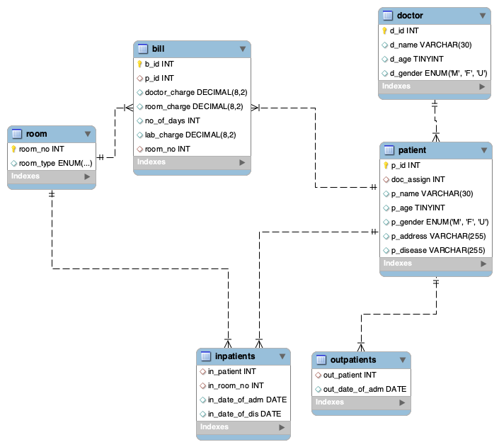
ER Diagram

